Sheet1
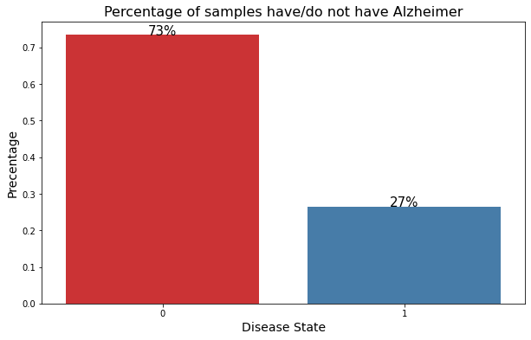

 |  |  |  | data cleaning method | eliminate the samples with missing value
 |  |  |  | Normalization method | z-score normalization

 |  |  |  | classification accuracy (test set)
 |  |  |  | model | MoCA | drawing | combine
 |  |  |  | decision tree | 0.88 | 0.65 | 0.85
 |  |  |  | KNN(k = 1) | 0.94 | 0.71 | 0.88
 |  |  |  | random forest | 0.88 | 0.7 | 0.87
 |  |  |  | Naïve Bayes | 0.77 | 0.74 | 0.74
 |  |  |  | SVM | 0.88 | 0.58 | 0.89
 |  |  |  | count (highest accuracy) | 4 | 0 | 1

The dataset is imbalanced. |  |  |  | important features in combined features selected based on permutation importance
 |  |  |  | importance rank | decision tree | KNN | random forest | Naïve bayes | SVM
 |  |  |  | 1 | MoCA 7 | MoCA 7 | MoCA 7 | dsp-max | MoCA 7
Dataset Stratified splitting |  |  |  | 2 | itp-med | MoCA 4 2 | MoCA 6 | dsp-std | itp-med
label | 0 | 1 | percentage | 3 | MoCA 2 | MoCA 6 | itp-med | dss-std | its-min
train | 821 | 297 | 70% | 4 | MoCA5 | MoCA Total | MoCA 4 2 | MoCA 7 | MoCA 4 2
test | 353 | 127 | 30% | 5 |  | MoCA 2 | dsp-med | dss-avg | MoCA 2

 |  |  |  |  | duplicate | unique

